Origin_MPG
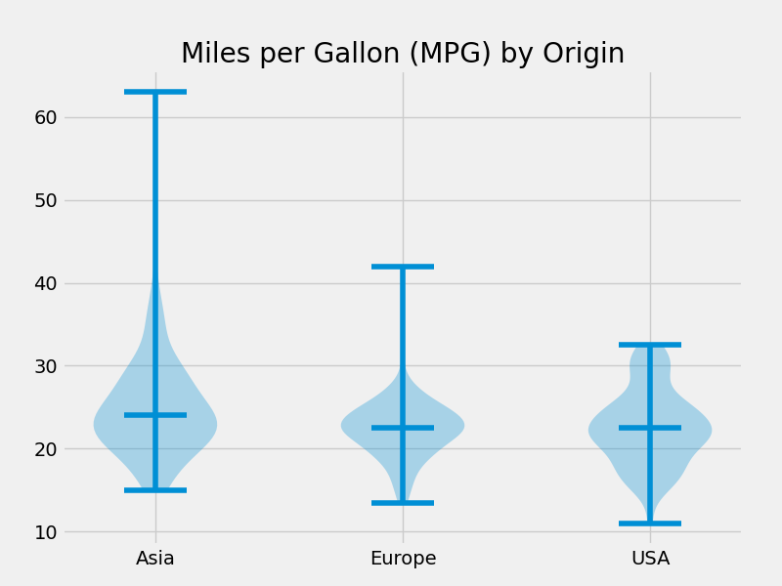

Average MPG by Car Makes

Origin | AverageMPG
Asia | 25
USA | 23
Europe | 22

NOTES
Using the SASHELP.CARS data. The following car Origins were analyzed:
• Asia
• Europe
• USA
Created by Peter S

